Info
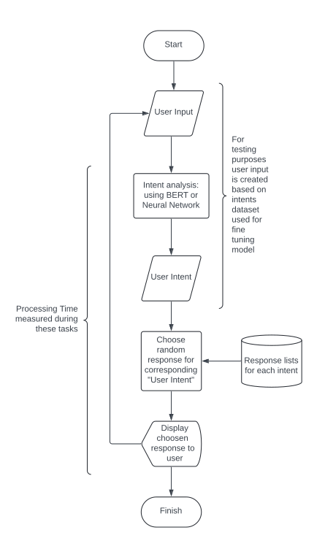
Device Used

Processor (CPU) | 11th Gen Intel® Core™ i5-11400F @ 2.60GHz × 12
Graphics (GPU) | NVIDIA Corporation TU117 [GeForce GTX 1650]
Memory (RAM) | 16,0 GiB
OS | Ubuntu 22.04.4 LTS 64-bit

Methods
1. How the chatbot works |  | 2. How the test works

